Sheet1
 | Document No. |  | Issue No. | Issue Date |  |  | Review and Replace Date |  | Authorised By
 | GFF166MC |  | 4 | 20.03.2020 |  |  | 21.12.2021 |  | Magda Shah
 | Document Title |  | Chicken Tikka Bites with Mint Raita 90g
Document amendments reason for change | Film Updated |  |  | Page 1 of 1 |  | Previous Issue Date |  | 05.07.2021 | Uncontrolled copy unless signed original

CCHTKB1-G6T |  | GAZEBO |  |  | CHICKEN TIKKA BITES WITH MINT RAITA 90g
STEP 1 |  |  |  |  |  | STEP 2
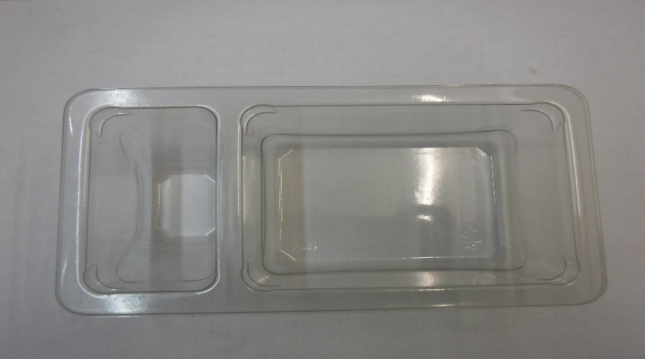 |  |  |  |  |  | 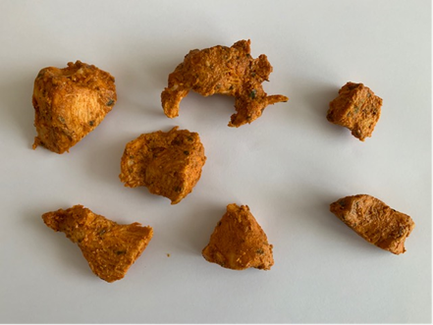

Tray: Duo-Pot Tray (PKLEE001-01) |  |  |  |  |  | Chicken Tikka (GFF142R): 60g (4 - 8 pcs)
Film: K-PEEL 7G+ AF 25 (250mm x 1000)(PKKMP001-01)
STEP 3 |  |  |  |  |  | STEP 4
 |  |  |  |  |  | 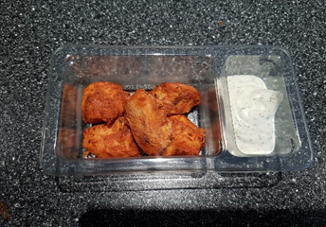

30% Fat Yoghurt & Mint (Piquant) (RMPIQ001-01): 30g |  |  |  |  |  | TOTAL WEIGHT: 90g

ALLERGY ALERT: EGG, MILK

